From Fusion 360
Item # | Thumbnail | Part Name | Description | Make/Buy | Quantity | Vendor | Vendor URL
1 | 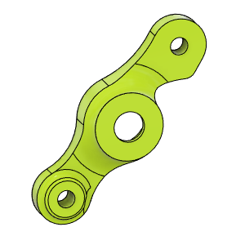 | HextrudORT_COVER | 3D_Printed |  | 1
2 | 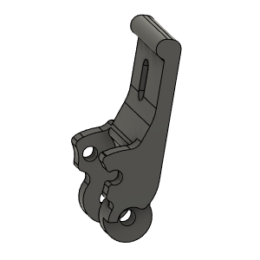 | HextrudORT_TENSION_ARM | 3D_Printed |  | 1
3 | 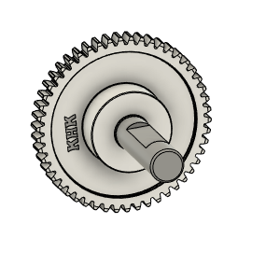 | Bondtech_Shaft_assembly v1 | From BMG extruder |  | 1
4 | 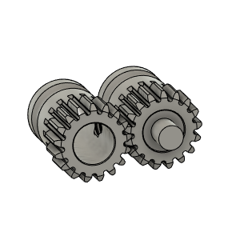 | Bondetech mini gears v1 | From BMG extruder |  | 1
5 | 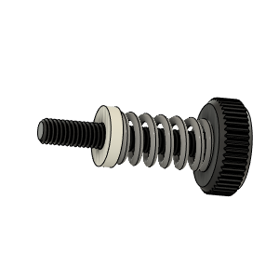 | Bondtech_Thumbscrew_assembly v1 | From BMG extruder |  | 1
6 | 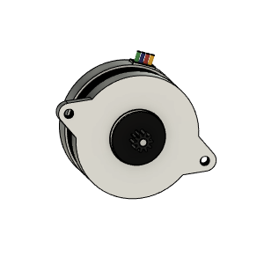 | LDO_NEMA14_36STH17-1004AHG v6 v2 | LDO NEMA 14 Round |  | 1
7 | 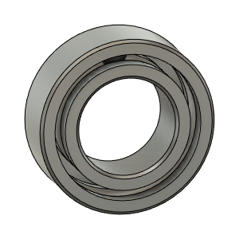 | Bearing_MR95_7804K105 | Bearing 5X9X2.5 |  | 2
8 | 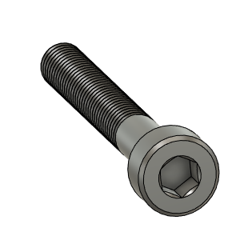 | M3X25_CapScrew_92290A124 v4 | Screw, Cap - M3X25mm | Buy | 1
9 | 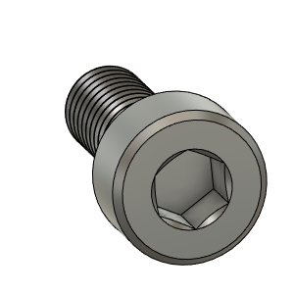 | M3X8_CapScrew_92290A113 v6 | Screw, Cap - M3X8mm | Buy | 1
10 | 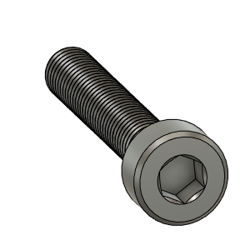 | M3X20_CapScrew_92290A122 v3 | Screw, Cap - M3X20mm | Buy | 1
11 | 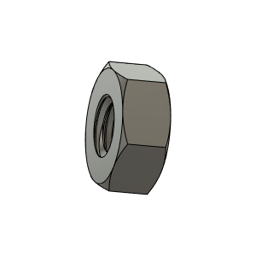 | M3_Nut_94150A325 v4 | Nut, Hex - M3 | Buy | 1
12 | 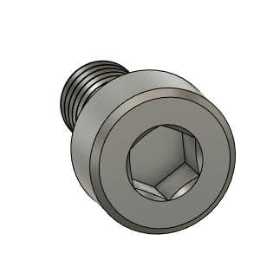 | M3X6_CapScrew_92290A111 v4 | Screw, Cap - M3X6mm | Buy | 5
13 | 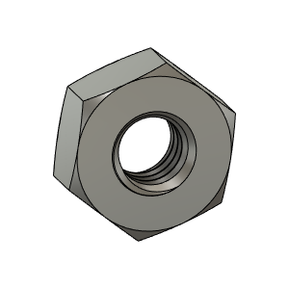 | M3_Nut_94150A325 v4 (1) | Nut, Hex - M3 | Buy | 1
14 | 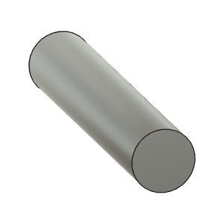 | TensionArm_Pin | Make From BMG arm pin | Buy | 1
15 | 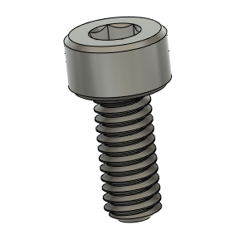 | M2.5X6_CapScrew_92290A056 | Screw, Cap - M2.5X6mm |  | 2
16 | 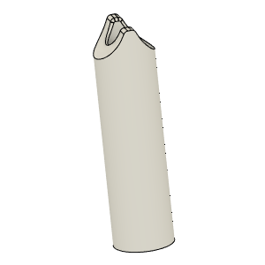 | PTFE_Guide | Comes with BMG clones |  | 1
17 | 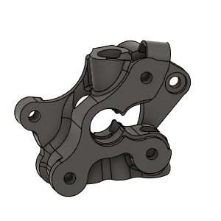 | HextrudORT_BODY_NOVA (1) | 3D Printed |  | 1
18 | 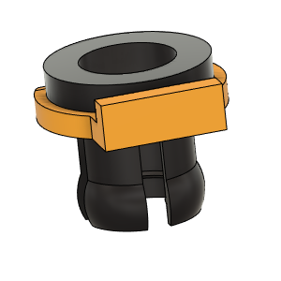 | PTFE Tube Retainer | Retainer, PTFE Tube 4mm | Buy | 1
19 | Image Unavailable | HextrudORT_COVER (1) | 3D_Printed |  | 1
20 | Image Unavailable | CarriageBAckPlate_HextrudORTMR85 |  |  | 1
21 | Image Unavailable | TrackX_2020Profile |  |  | 1
22 | 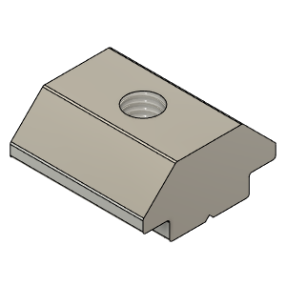 | M3X2020_T-Nut | Nut, TSlot - M3X2020 | Buy | 16
23 | 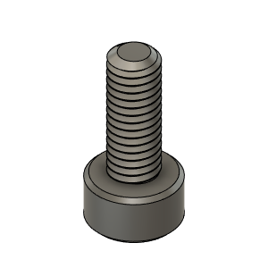 | M3X8_CapScrew_92290A113 | Screw, Cap - M3X8mm | Buy | 24
24 | Image Unavailable | MGN9 |  |  | 1
25 | Image Unavailable | MGN9-H |  |  | 1
26 | 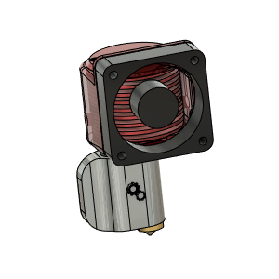 | NOVA HotEnd | From 3DPassion.com |  | 1
27 | 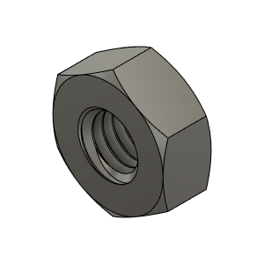 | M3_Nut_94150A325 | Nut, Hex - M3 | Buy | 7
28 | 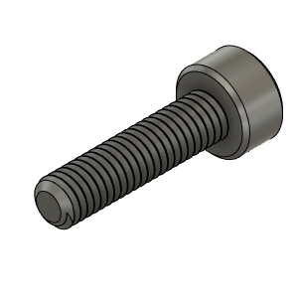 | M3X12_CapScrew_92290A117 | Screw, Cap - M3X12mm | Buy | 2
29 | 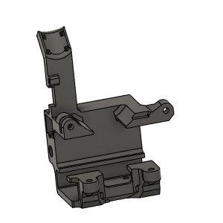 | Carriage_Body | 3D PRinted | Make | 1
30 | 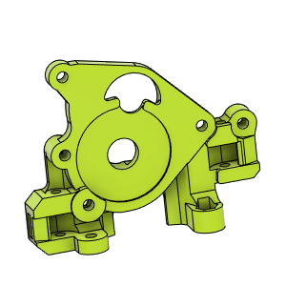 | CarriageBAckPlate_Body | 3D Printed | Make | 1
31 | 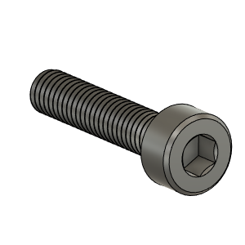 | M3X14_CapScrew_92290A118 | Screw, Cap - M3X14 | Buy | 1
32 | 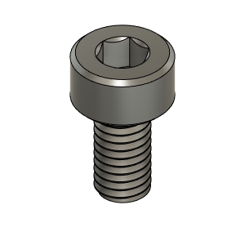 | M3X6_CapScrew_92290A111 | Screw, Cap - M3X6mm | Buy | 2
33 | Image Unavailable | M2.5X4_CapScrew_92290A853 | Screw, Cap - M2.5X4mm | Buy | 1
34 | Image Unavailable | NovaBottomBrace_Body | 3D Printed |  | 1
35 | 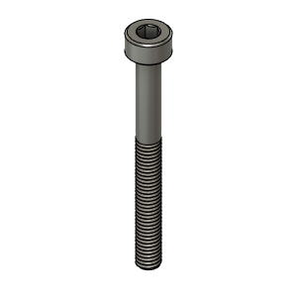 | M3X30_CapScrew_92290A126 | Screw, Cap - M3X30mm | Buy | 3
36 | 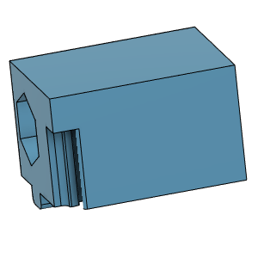 | TensionnerBLock | 3D Printed | Make | 2
37 | 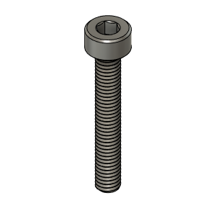 | M3X20_CapScrew_92290A122 | Screw, Cap - M3X20mm | Buy | 1
38 | 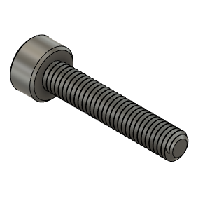 | M3X16_CapScrew_92290A120 | Screw, Cap - M3X16mm | Buy | 1
39 | 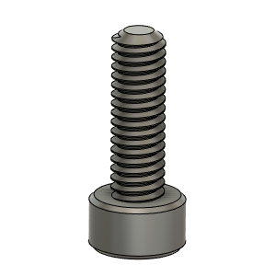 | M2.5X8_CapScrew_92290A058 | Screwm Cap_M2.5 X 8mm | Buy | 1
40 | 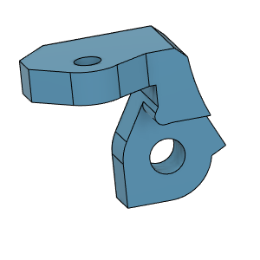 | OpticalSupport_Body | 3D Printed | Make | 1
41 | 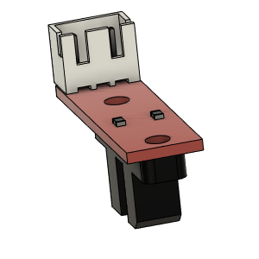 | Opto endstop PM | Optical End-Stop | Buy | 1
42 | 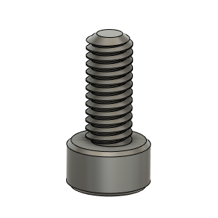 | M2.5X6_CapScrew_92290A056 | Screw, Capr_M2.5 X 6mm | Buy | 2
43 | 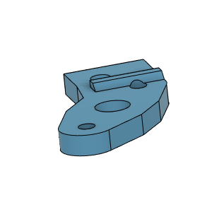 | BlTouchSupport | 3D Printed | Make | 1
44 | 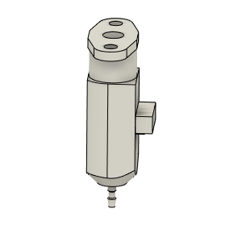 | bltouch |  | Buy | 1
45 | 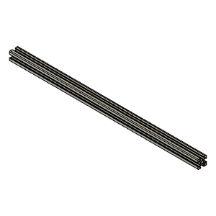 | TrackX_2020Profile |  |  | 1
46 | 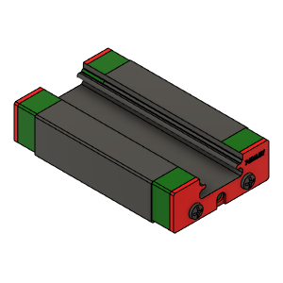 | MGN12H Block |  |  | 1
47 | 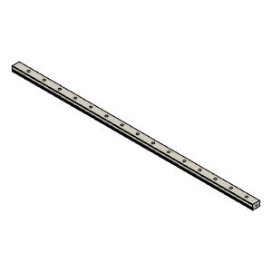 | MGN12 Rail |  |  | 1

